SOLUTION 2.6
SOLUTION 2.6

 | DATA TO GRAPH

 | Day | High | Difference from avg
 | FRI | 70 | 6
 | SAT | 73 | 9
 | SUN | 74 | 10
 | MON | 68 | 4
 | TUE | 69 | 5
 | WED | 58 | -6
 | AVG | 64 | 0

 | 2.6a |  |  | 2.6b
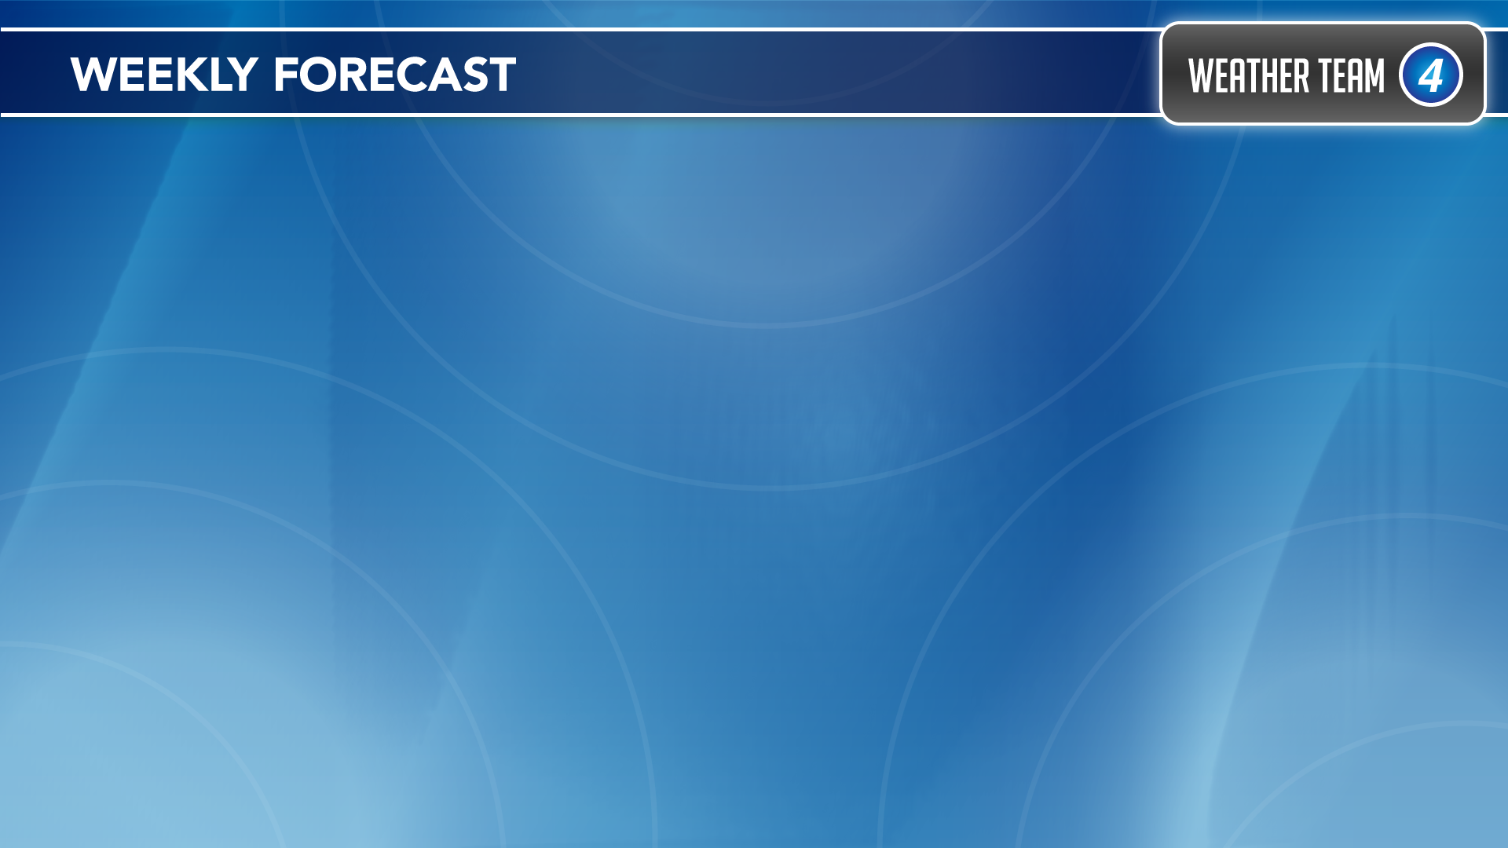

Average High 64°
Average High 64°

FRI SAT SUN MON TUE WED
FRI SAT SUN MON TUE WED
FRI SAT SUN MON TUE WED

 | 2.6c

Average High 64°
Average High 64°

FRI SAT SUN MON TUE WED
FRI SAT SUN MON TUE WED

